LP
Problem
Santa’s Workshop employs elves to manufacture two types of wooden toys: soldiers and trains. A soldier sells for R27 and uses R10 worth of raw materials. Each soldier that is manufactured increases Santa’s variable labour and overhead costs by R14. A train sells for R21 and uses R9 worth of raw materials. Each train built increases Santa’s variable labour and overhead costs by R10. The manufacture of wooden soldiers and trains requires two types of skilled labour: carpentry and finishing. A soldier requires 2 hours of finishing labour and 1 hour of carpentry labour. A train requires 1 hour of finishing and 1 hour of carpentry labour. Each week, Santa can obtain all the needed raw material from the forests of Lapland, but only 100 finishing hours and 80 carpentry hours from his elves. Demand for trains is unlimited, but at most 40 soldiers are bought each week. Santa wants to maximise weekly profit (revenues − costs). Formulate a mathematical model of Santa’s situation that can be used to maximise Santa’s weekly profit.

Primary Linear Programming Model |  |  |  |  |  |  | Dual Linear Programming Model |  |  |  |  |  |  |  |  | Shadow Prices (Primary) |  |  |  |  |  |  | Graphical Sensitivity Analysis
 | Soldiers |  | Trains |  |  |  |  | Carpentry |  | Finishing |  | Demand |  |  |  | Shadow Prices (Primary) | = | CbvB-1 (Primary)
Max z | 3x1 | + | 2x2 |  |  |  | Min w | 100y1 | + | 80y2 | + | 40y3 |  |  |  |  | = | 1 | 1 | 0 |  |  |  | Range Soldiers |  |  |  |  |  | Range Carpentry
s.t. |  |  |  |  |  |  | s.t.
1 | 2x1 | + | x2 | ≤ | 100 | Carpentry | 1 | 2y1 | + | y2 | + | y3 | ≥ | 3 | Soldiers | Shadow Price (Capentry) (Primary) | = | R 1 |  |  |  |  |  |  |  | Binding Constraints = b1, b2 |  |  |  |  | Binding Constraints = b1, b2
2 | x1 | + | x2 | ≤ | 80 | Finishing | 2 | y1 | + | y2 |  |  | ≥ | 2 | Trains | Shadow Price (Finishing) (Primary) | = | R 1 |  |  |  |  |  |  | \ | Maximum Decrease of c1 ratio = b1 ratio |  |  |  |  | Maximum Increase of b1 = +20
3 | x1 |  |  | ≤ | 40 | Demand |  |  |  |  |  |  |  |  |  | Shadow Price (Demand) (Primary) | = | R 0 |  |  |  |  |  |  | and | Maximum Increase of c1 ratio = b2 ratio |  |  |  |  | Maximum Decrease of b1 = -20
 |  |  |  |  |  |  |  | y1, y2, y3 | ≥ | 0
 | x1, x2 | ≥ | 0 |  |  |  |  |  |  |  |  |  |  |  |  | Shadow Prices (Dual) |  |  |  |  |  |  |  |  | if | a:b=c:d |  |  |  |  | 80 | ≤ | b1 | ≤ | 120
 |  |  |  |  |  |  | Dual Solver Solution |  |  |  |  |  |  |  |  | Shadow Prices (Dual) | = | CbvB-1 (Dual) |  |  |  |  |  |  | then | a=b.c/d |  |  |  |  | -20 | ≤ | D | ≤ | 20
Graphical Solution |  |  |  |  |  |  |  | y1 | y2 | y3 | Cell. Ref. | Sign | Const. |  |  |  | = | 20 | 60
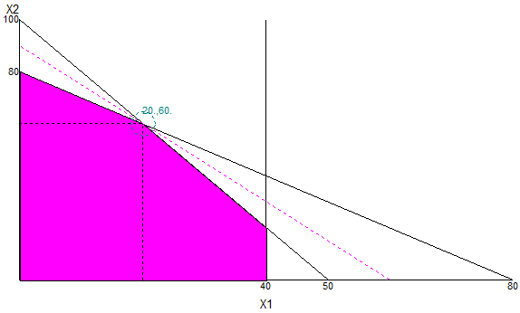
 |  |  |  |  |  |  | Obj. Func. | 100 | 80 | 40 |  |  |  |  |  |  |  |  |  |  |  |  |  |  | \ | c1:2=1:1 | and | c1:2=2:1
 |  |  |  |  |  |  | s.t. | 2 | 1 | 1 | 3 | ≥ | 3 |  |  | Shadow Price (Soldiers) (Dual) | = | R 20 |  |  |  |  |  |  |  | c1=2 |  | c1=4 |  | Range Finishing
 |  |  |  |  |  |  |  | 1 | 1 | 0 | 2 | ≥ | 2 |  |  | Shadow Price (Trains) (Dual) | = | R 60
 |  |  |  |  |  |  | Dec. Var | 1 | 1 | 0 |  |  |  |  |  |  |  |  |  |  |  |  |  |  | 2 | ≤ | c1 | ≤ | 4 |  | Binding Constraints = b1, b2
 |  |  |  |  |  |  | Min w | 180 |  |  |  |  |  |  |  | Shadow Prices Relationship |  |  |  |  |  |  |  |  | -1 | ≤ | D | ≤ | 1 |  | Maximum Increase of b2 = +20
 |  |  |  |  |  |  |  |  |  |  |  |  |  |  |  | Shadow Prices (Primary) |  |  | = | Optimal Solution (Dual) |  |  |  |  |  |  |  |  |  |  | Maximum Decrease of b2 = -20
 |  |  |  |  |  |  | Duality Gap |  |  |  |  |  |  |  |  | 1 | 1 | 0 | = | 1 | 0 | 0
 |  |  |  |  |  |  | Max z = | 180 |  |  |  |  |  |  |  |  |  |  |  |  |  |  |  | Range Trains |  |  |  |  |  |  | 60 | ≤ | b2 | ≤ | 100
 |  |  |  |  |  |  | Min w = | 180 |  |  |  |  |  |  |  | Shadow Prices (Dual) |  |  | = | Optimal Solution (Primary) |  |  |  |  |  |  |  |  |  |  | -20 | ≤ | D | ≤ | 20
 |  |  |  |  |  |  | Duality Gap = |  | 0 |  |  |  |  |  |  |  | 20 | 60 | = | 20 | 60 |  |  |  |  | Binding Constraints = b1, b2
 |  |  |  |  |  |  | \ | Stong Duality |  |  |  |  |  |  |  |  |  |  |  |  |  |  |  |  | \ | Maximum Decrease of c2 ratio = b2 ratio
 |  |  |  |  |  |  |  |  |  |  |  |  |  |  |  |  |  |  |  |  |  |  |  |  | and | Maximum Increase of c2 ratio = b1 ratio |  |  |  | Range Demand
 |  |  |  |  |  |  | Economic Interpretation
 |  |  |  |  |  |  | Total Resource Cost of Santa's Workshop |  |  |  |  | = | Optimal Solution (Dual) |  |  |  |  |  |  |  |  |  |  |  | if | a:b=c:d |  |  |  |  | Binding Constraints = b1, b2
 |  |  |  |  |  |  |  |  |  |  |  | = | R 180 |  |  |  |  |  |  |  |  |  |  |  | then | b=a.d/c |  |  |  |  | Maximum Increase of b3 = ∞
 |  |  |  |  |  |  |  |  |  |  |  |  |  |  |  |  |  |  |  |  |  |  |  |  |  |  |  |  |  |  | Maximum Decrease of b3 = -20
 |  |  |  |  |  |  | Resource Cost (Soldiers) |  | = | b1 (Dual) with Shadow Prices (Primary) |  |  |  |  |  |  |  |  |  |  |  |  |  |  | \ | 3:c2=2:1 | and | 3:c2=1:1
 |  |  |  |  |  |  |  |  | = | 2(1) | + | 1(1) | + | 1(0) |  |  |  |  |  |  |  |  |  |  |  | c2=1.5 |  | c2=3 |  |  | 20 | ≤ | b3 | ≤ | ∞
 |  |  |  |  |  |  |  |  | = | 3 |  |  |  |  |  |  |  |  |  |  |  |  |  |  |  |  |  |  |  |  | -20 | ≤ | D | ≤ | ∞
Primary Solver Solution |  |  |  |  |  |  |  |  |  |  |  |  |  |  |  |  |  |  |  |  |  |  |  |  | 1.5 | ≤ | c2 | ≤ | 3
 | X1 | X2 | Cell Ref. | Sign | Constraint |  | Resource Cost (Trains) |  | = | b2 (Dual) with Shadow Prices (Primary) |  |  |  |  |  |  |  |  |  |  |  |  |  |  | -0.5 | ≤ | D | ≤ | 1
Objective Function | 3 | 2 |  |  |  |  |  |  | = | 1(1) | + | 1(1) | + | 0(0)
 |  |  |  |  |  |  |  |  | = | 2
Subject To
1 | 2 | 1 | 100 | <= | 100
2 | 1 | 1 | 80 | <= | 80
3 | 1 | 0 | 20 | <= | 40

Decision Variable | 20 | 60
max z | 180

Algo - Primal Simplex
Canonical Form: Primal Simplex Algorithm |  |  |  |  |  |  |  |  | Primal Simplex Algorithm Graphical: T-2 | Primal Simplex Algorithm Graphical: T-4*
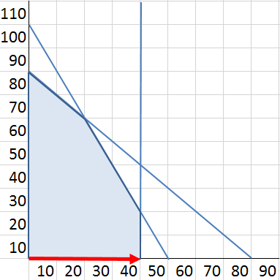
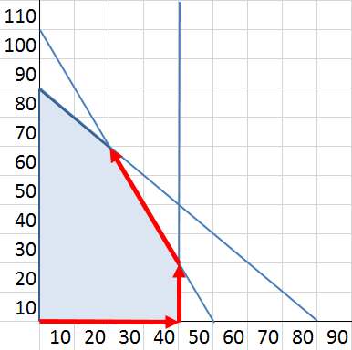
 | (z) | - | 3x1 | - | 2x2 | = | 0
 |  | 2x1 | + | x2 | + | s1 | = | 100
 |  | x1 | + | x2 | + | s2 | = | 80
 |  | 2x1 | + | s3 | = | 40

Primal Simplex Algorithm

 | t-i | x1 | x2 | s1 | s2 | s3 | rhs | θ
 | Z | -3 | -2 | 0 | 0 | 0 | 0
 | 1 | 2 | 1 | 1 | 0 | 0 | 100 | 50
 | 2 | 1 | 1 | 0 | 1 | 0 | 80 | 80
 | 3 | 1 | 0 | 0 | 0 | 1 | 40 | 40

 | t-2 | x1 | x2 | s1 | s2 | s3 | rhs | θ
 | Z | 0 | -2 | 0 | 0 | 3 | 120
 | 1 | 0 | 1 | 1 | 0 | -2 | 20 | 20 | Primal Simplex Algorithm Graphical: T-3
 | 2 | 0 | 1 | 0 | 1 | -1 | 40 | 40
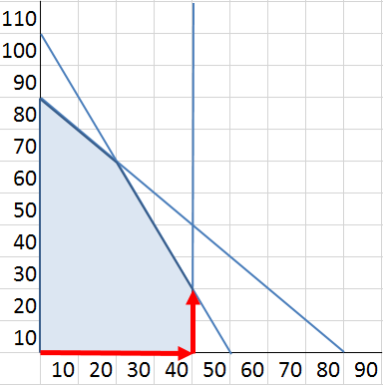
 | 3 | 1 | 0 | 0 | 0 | 1 | 40 | 0

 | t-3 | x1 | x2 | s1 | s2 | s3 | rhs | θ
 | Z | 0 | 0 | 2 | 0 | -1 | 160
 | 1 | 0 | 1 | 1 | 0 | -2 | 20 | -10
 | 2 | 0 | 0 | -1 | 1 | 1 | 20 | 20
 | 3 | 1 | 0 | 0 | 0 | 1 | 40 | 40

 | t-4* | x1 | x2 | s1 | s2 | s3 | rhs
 | Z | 0 | 0 | 1 | 1 | 0 | 180
 | 1 | 0 | 1 | -1 | 2 | 0 | 60
 | 2 | 0 | 0 | -1 | 1 | 1 | 20
 | 3 | 1 | 0 | 1 | -1 | 0 | 20

 | Xnb
 | x2 | s3 | x1

